Data_Rate
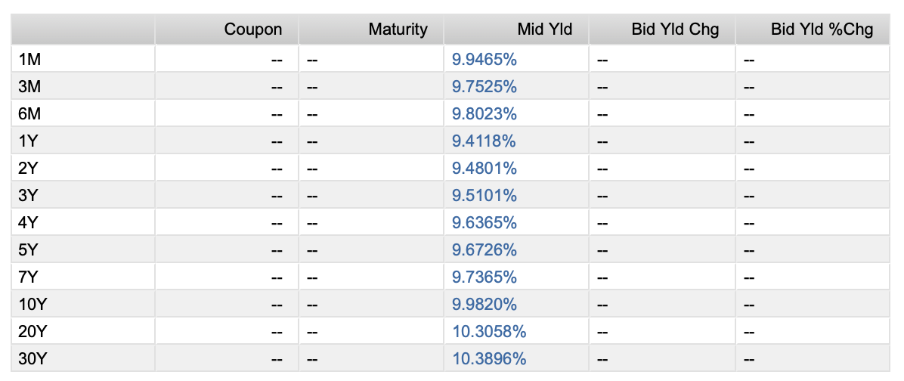
Maturity Date | Description | Currency | Price | YTM
11 Dec '24 | Government of Mexico 0.00% | MXN | 9.994 | 10.807
19 Dec '24 | Government of Mexico 0.00% | MXN | 9.973 | 9.853
26 Dec '24 | Government of Mexico 0.00% | MXN | 9.953 | 9.936
02 Jan '25 | Government of Mexico 0.00% | MXN | 9.937 | 9.541
09 Jan '25 | Government of Mexico 0.00% | MXN | 9.918 | 9.579
16 Jan '25 | Government of Mexico 0.00% | MXN | 9.90 | 9.604
23 Jan '25 | Government of Mexico 0.00% | MXN | 9.876 | 10.046
06 Feb '25 | Government of Mexico 0.00% | MXN | 9.844 | 9.651
13 Feb '25 | Government of Mexico 0.00% | MXN | 9.826 | 9.795
20 Feb '25 | Government of Mexico 0.00% | MXN | 9.808 | 9.671
06 Mar '25 | Government of Mexico 0.00% | MXN | 9.771 | 9.698
06 Mar '25 | Government of Mexico 5.00% | MXN | 98.756 | 10.139
20 Mar '25 | Government of Mexico 0.00% | MXN | 9.734 | 9.735
03 Apr '25 | Government of Mexico 0.00% | MXN | 9.697 | 9.771
16 Apr '25 | Government of Mexico 0.00% | MXN | 9.663 | 9.802
30 Apr '25 | Government of Mexico 0.00% | MXN | 9.626 | 9.837
15 May '25 | Government of Mexico 0.00% | MXN | 9.587 | 9.874
29 May '25 | Government of Mexico 0.00% | MXN | 9.551 | 9.908
26 Jun '25 | Government of Mexico 0.00% | MXN | 9.479 | 9.95
10 Jul '25 | Government of Mexico 0.00% | MXN | 9.443 | 9.971
24 Jul '25 | Government of Mexico 0.00% | MXN | 9.407 | 9.992
21 Aug '25 | Government of Mexico 0.00% | MXN | 9.336 | 10.034
04 Sep '25 | Government of Mexico 0.00% | MXN | 9.301 | 10.054
18 Sep '25 | Government of Mexico 0.00% | MXN | 9.266 | 10.074
16 Oct '25 | Government of Mexico 0.00% | MXN | 9.196 | 10.116
30 Oct '25 | Government of Mexico 0.00% | MXN | 9.162 | 10.136
13 Nov '25 | Government of Mexico 0.00% | MXN | 9.127 | 10.158
24 Dec '25 | Government of Mexico 0.00% | MXN | 9.038 | 9.82
19 Feb '26 | Government of Mexico 0.00% | MXN | 8.897 | 9.867
16 Apr '26 | Government of Mexico 0.00% | MXN | 8.76 | 9.909
11 Jun '26 | Government of Mexico 0.00% | MXN | 8.624 | 9.948
06 Aug '26 | Government of Mexico 0.00% | MXN | 8.49 | 9.985
03 Sep '26 | Government of Mexico 7.00% | MXN | 96.162 | 9.404
01 Oct '26 | Government of Mexico 0.00% | MXN | 8.357 | 10.021
04 Mar '27 | Government of Mexico 5.50% | MXN | 92.089 | 9.454
01 Mar '29 | Government of Mexico 8.50% | MXN | 95.72 | 9.735
26 May '33 | Government of Mexico 7.50% | MXN | 86.246 | 9.915
24 May '35 | Government of Mexico 8.00% | MXN | 87.112 | 9.996
31 Jul '53 | Government of Mexico 8.00% | MXN | 78.496 | 10.345
...

Data_Derivatives
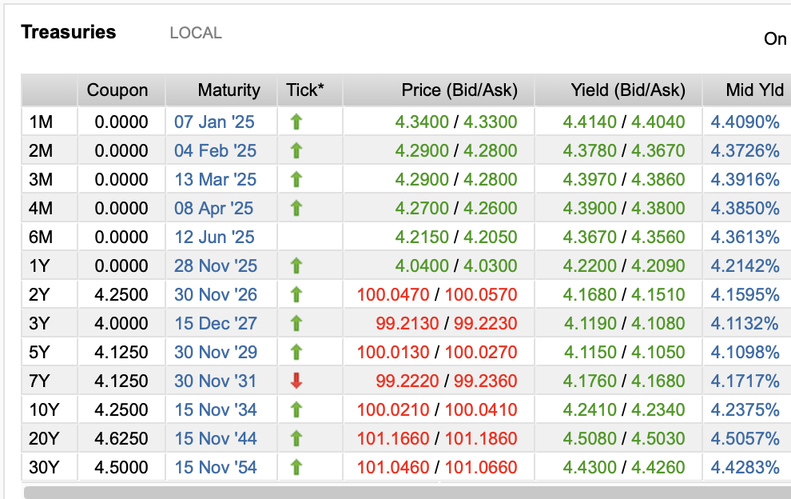
Calcular la delta total de los calls, la delta total de los puts y la delta neta de todo. El precio Spot es de $2,694 USD.

CALLS VENDIDOS |  |  |  | PUTS VENDIDOS
Plazo / Strike | 2650 | 2670 |  | Plazo / Strike | 2730 | 2740
3m | 21 | 25 |  | 3m | 45 | 10
12m | 28 | 33 |  | 12m | 12 | 43
nocionales expresados en millones de títulos |  |  |  | nocionales expresados en millones de títulos

Volatilidad ímplicita por K y plazo CALLS |  |  |  | Volatilidad ímplicita por K y plazo PUTS
Plazo / Strike | 2650 | 2670 |  | Plazo / Strike | 2730 | 2740
3m | 0.31 | 0.28 |  | 3m | 0.35 | 0.36
12m | 0.43 | 0.37 |  | 12m | 0.51 | 0.58

SWAP | Reciever

Maturity | 2027-03-01
Settle | 2025-02-26
Tasa Swap | 8.00%
Nocional | 100 | M

Valor del Swap | $4,244,300.00 |  | Valor del Bono | 92.8966
Valor del Swap + 1 basis | $4,271,700.00 |  | Valor del Bono + 1 basis | 92.8794

DV01 Swap | $27,400.00 |  | DV01 Bono | $0.02
Cuanto cambia el valor del Swap en pesos mexicanos |  |  | Cuanto cambia el valor del Bono en pesos mexicanos
por un cambio de un basis en la tasa |  |  | por un cambio de un basis en la tasa

Tenemos que vender en corto | 1,593,023.26 | bonos

4.- Escenario hipotético: Banxico sube las tasas 32 basis ese mismo día

Valor del Swap +32 basis | 6.98E+07 |  | Valor del bono +32 basis | 87.8362

P&L (profit) | $65,535,700.00 |  | P&L (loss) | $(8,061,334.88)

P&L cobertura | $57,474,365.12

